Sheet1
PROJECT NO.: |  |  |  |  | SHEET OF
COMPUTED BY:
CHECKED BY: |  |  |  |  | SECTION: 654

ASPHALT PLANT MIX, PAVEMENT REPAIR
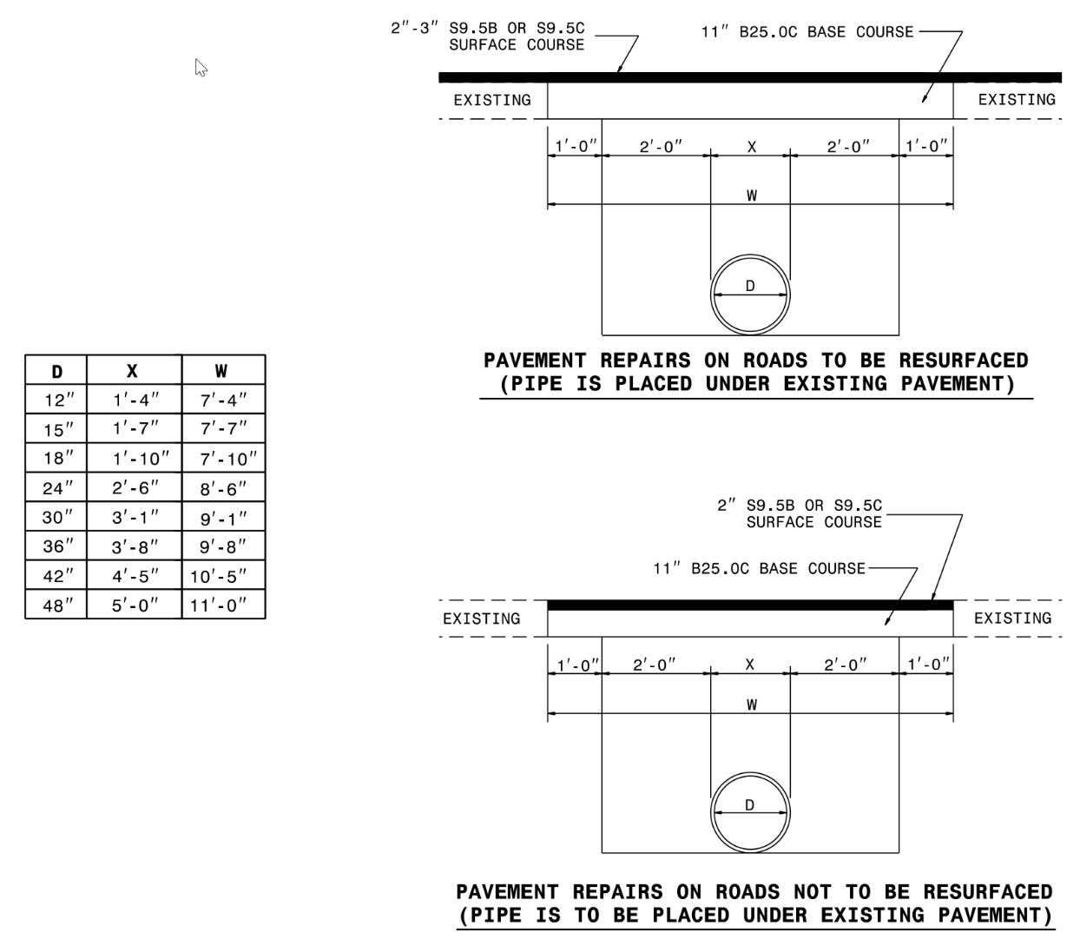

 | CALCULATE | AREA (SF) X D (IN) X RATE (LBS/SY/IN) |  | = TONS
 |  | 9 SF/SY X 2000 LBS/TON

 |  |  | PER FDFI INSPECTION QUESTIONS |  | TONS

 |  |  | ASPHALT PLANT MIX, PAVEMENT REPAIR | 0.00
 |  |  | SAY | 0

